Guideline
Filepath of Work Instruction relating to this: IN PROGRESS

In using this Template follow the steps below:

Rename the file with Date of Creation- YYYYMMDD_WTR Excel Template for Uploading - Doc Remarks
Example of WTR Excel Template File Name: 20220920_WTR Excel Template for Uploading - REPLENISHMENT BN LU ESS
Refer the standard document remarks in this filepath:
H:\BP Shared\02_BP STANDARDIZED TERMS\01_Document Remarks\BP-PP-007.00-WTR_WT_DocRemarks_Creation.pdf

1. Select the respective Mapping under the Data Transfer Module.
2. Browse the respective file for uploading
3. Select the sheet name : WTR Template
4. Upon uploading: ensure to fill-up the ff:
4.1. Select the designated Transfer Type.
NOTE: Each Transfer Type shall be based on the purpose for creating a WTR.
4.2. Select the designated Source Warehouse
4.3. Select the designated Target Warehouse
4.4. Select/Input in all CAPITAL LETTERS the Requested By:
4.5. Select/Input in all CAPITAL LETTERS the Prepared By:
4.6. Select the respective company or BU for the request (New Barbizon Fashion Inc) or (Everyday Products Corporation)
4.7. Input the respective Document Remarks.
Refer the standard document remarks in this filepath:
H:\BP Shared\02_BP STANDARDIZED TERMS\01_Document Remarks\BP-PP-007.00-WTR_WT_DocRemarks_Creation.pdf
5. Check if there were failed uploaded items, then download the excel file that failed to upload. Select/Input in all CAPITAL LETTERS the Requested By:
Ticket such error via MIS Ticketing System.
http://intranet.nbfi.local:88/en/customer/create-ticket/
NOTE: Make sure to inform your immediate superior first, before creating a ticket. Collaborate your immediate superior also after creating the ticket.

Hi MIS Team, Our Team encountered an error with the ff details: I. Issue / Problem Encountered: (Anong nakalagay sa error) II. Frequency / Occurrence: (Ilang beses na nangyari o kailan nangyari ang error) III. Trigger / Last Action made before the error: (Ano ang pinindot/ ang iyong ginawa bago mangyari ang error) IV. Application/ Module used before the error: (Ano ang application (EasySAP/ SAP/ Script, etc.) at Module kung sa EasySAP/SAP, na ginamit bago mangyari ang error) Thank you for your support and assistance
Input your Name
Input your registered email in the ticketing system
Input your registered email in the ticketing system
EXAMPLE OF ACCOMPLISHED TICKET MESSAGE AND SUBJECT
ATTACH Supporting Details/Photos of error encountered: (Ilagay ang Screenshot ng error, paniguraduhin na malinaw ang pagkakakuha )
To collaborate your immediate superior, log in the ticketing system then: 1. Select your respective ticket then, 2. Click the Collaborator Cell and type the immediate superior's registered email address in the ticketing system.
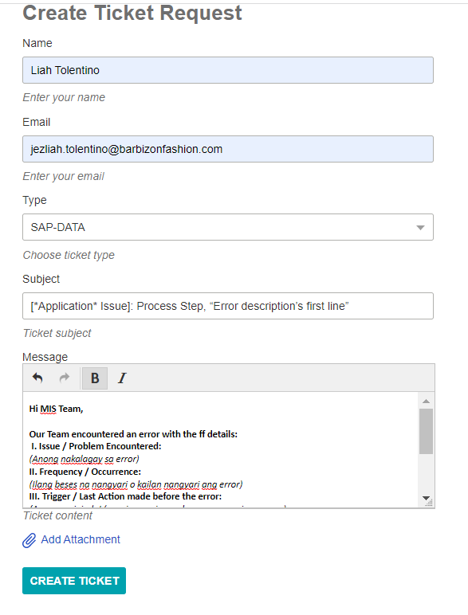
 | 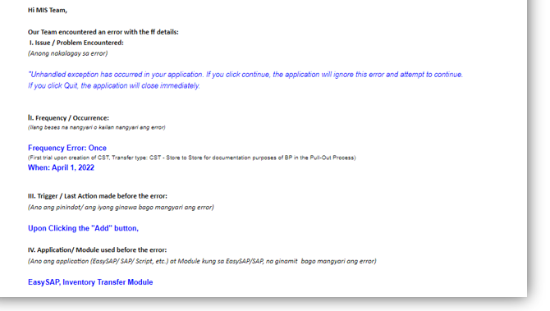
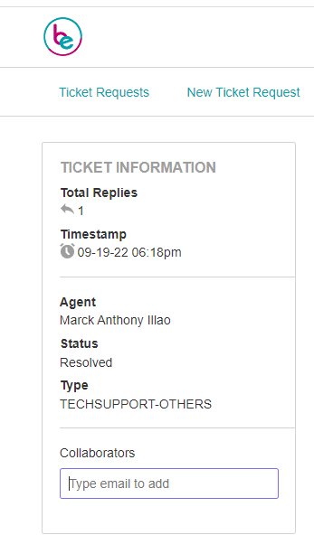

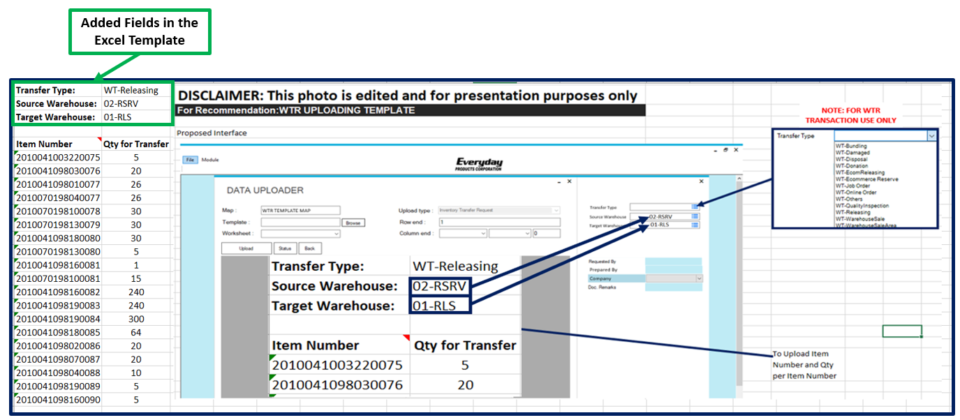
DISCLAIMER: This photo is edited and for presentation purposes only

